Instructions
Self-assessment tool
 | Tool Instructions
This Self-Assessment Tool enables you to assess your agency's:
(a) Information Governance Program's maturity, and
(b) compliance with the Information Management Standard (Standard).

This Self-Assessment Tool offers a scalable, tiered approach to help your agency to identify areas of strength and weakness at each level of maturity and capability, and to develop and implement actions to address weaknesses, improve outcomes and progress to the next level.

Continuous process improvement is based on small evolutionary steps rather than major innovation that might not always be possible.
The Self-Assessment Tool includes four maturity and capability levels, with indicators of achievement for each.

0 = Absent - agency is either unaware or has taken no steps to address this behaviour.
1 = Basic - agency has an awareness of this behaviour, but there is little practical evidence of action. Planning has commenced.
2 = Operational- agency is actively addressing this behaviour. There will be evidence of a planned approach, even if it is not fully implemented in some areas. The initiatives are operating to a reasonable standard.
3 = Proactive - agency has a dedicated commitment to achieving this behaviour through innovation and/or learning based on ongoing monitoring and review.

To comply with the Standard, your agency must satisfy the level 2 (operational) criteria for each behaviour, unless a valid reason can be demonstrated why maintaining a lower level is acceptable, e.g. due to agency operational or regulatory requirements or level of risk identified.

Definitions

Like the Standard, the Self-Assessment Tool refers to ‘information assets’ rather than ‘records’, i.e. “information, data and records, in any format (whether digital or hardcopy), where it is created or received through the conduct of government business”.

"IM" has been used as an abbreviation for "Information Management".

Detailed Assessment Tool

To complete the Detailed Assessment, you must assess the relevant behaviour (column 1) against your agency's actual information management practice. The only sections that require your input are the Rating and the Notes columns (if necessary). Each rating is set to 0 as a default.

The diagram below describes each column in the tool:

Using the above behaviour as an example, if your agency does not have a completed information asset audit, you would assess your agency's information management maturity and capability level for this behaviour as 0 (or absent), by entering 0 in the Rating column. This will highlight the maturity and capability level in red.

However, if your agency has completed a formal information asset audit but it was not comprehensive, then your agency's maturity and capability level would be 2 (operational).

For more information about how your agency can comply with a specific behaviour refer to the relevant sections of the Information Governance Guideline as indicated in the ‘IGG Ref’ column for that behaviour.

If required, you can include any relevant notes in the 'notes' column provided.

Capability Model report

Once you have completed your detailed assessment, the Self-Assessment Tool's Capability Model will be automatically populated with your results. You will just need to input your agency's relevant details in the free text fields provided. The Capability Model provides two outcomes for your agency.

The first recorded outcome (Figure 1) is your agency's overall assessment against the five principles in the Standard. The first column (rating by principle) shows your agency's accumulative rating against that principle, while the second column (maximum possible) indicates the maximum possible rating that can be achieved for that principle. In the example below, the agency has been awarded a rating of 8 for Principle 1: the value of information is known, but the maximum rating that can be awarded for this principle is 15.

The maximum rating is calculated by the number of behaviours under a principle (refer to Figure 2 - in this instance there are five behaviours) multiplied by the highest maturity and capability level (3), e.g. 5 x 3 = 15. The third column provides your agency compliance rate, in the form of a percentage, against a specific principle.

Foremostly, the Capability Model report provides a high level executive style overview of how your Information Governance Program is performing against the Standard. Agencies can use the percentage rate recorded to help prioritise the principles that require improvement to ensure compliance with the Standard and will strengthen your agency's overall Information Governance Program.

The second recorded outcome (Figure 2) is a summary of your agency's assessment against the individual behaviour in the Standard. Again, this can be used by your agency to quickly identify the behaviours your agency needs to improve to increase their overall information management maturity and capability level and compliance with the Standard.

Please note, any rating cells left empty on the Detailed Assessment tab will return a "NA" on the Compatibility Model. This in turn return an error against your agency's overall assessment. To identify which behaviour has been left empty, simply scroll down the Capability Model until you find the behaviour with a "NA" recorded as its rating.

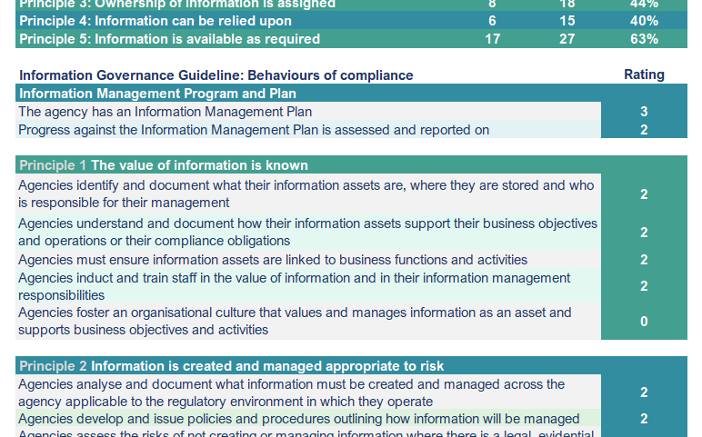
Figure 2
Figure 1

Assessment Priorities report

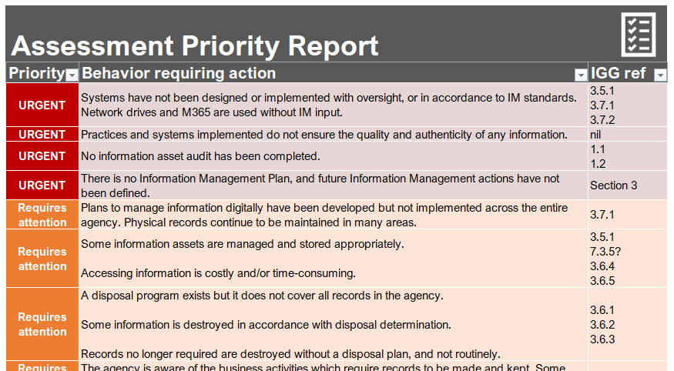 In addition to providing a Capability Model, an 'Assessment Priorities report' can also be generated. This report scores the behaviours, in order of priority, that were ranked as a level 2 or below. Behaviours that were assessed at level 0 (absent) are reported in red, requiring urgent attention. Behaviours assessed at level 1 (basic) are reported in orange, requiring attention. Behaviours assessed at level 2 (operational) are reported in blue, to be improved upon. Instructions on how to populate the report can be found on the Assessment Priorities tab.

To assist your agency in improving its information management maturity and capability and its compliance with the Standard, references back to the Information Governance Program Guideline, or other relevant policies, are provided for each identified behaviour requiring more attention.

Outcomes of Self-Assessment

Both the Capability Model and Assessment Priorities can be provided to your Chief Executive and Executive team to provide a high-level overview of the identified gaps in your agency's Information Governance Program. The higher maturity and capability levels (level 2 - Operational and level 3 - Proactive) in the Detailed Assessment can also be used to help identify future actions required to improve your agency's compliance against individual behaviours.

Use of Self-Assessment Tool

It is recommended that the Self-Assessment Tool be completed by your agency annually.

There are only four sections that require manual input of information, they are:
· the rating of each behaviour (Detailed Assessment tab),
· any notes you may have (Detailed Assessment tab),
· the agency’s details (Capability Model tab), and
· populating (and filtering if necessary) the Assessment Priorities report.

If a problem with the operation of the Self-Assessment Tool occurs, you can download a fresh Tool from the State Records Website. If problems persist, please contact State Records at staterecords@sa.gov.au.

Assessment Priorities
Assessment Priorities
To populate the Assessment Priority Report:
1. Select the Data tab on the toolbar
2. Press Refresh All (to populate the report)
Once you have populated the report, you may have returned some #VALUE results, to filter these out:
3. Select the Maturity/Capability
requiring action drop down
4. Uncheck #VALUE at the end of
the list
Assessment Priority Report
Priority | ID | Maturity/Capability requiring action | IGG ref

#VALUE! | #VALUE! | #VALUE! | #VALUE!
#VALUE! | #VALUE! | #VALUE! | #VALUE!
#VALUE! | #VALUE! | #VALUE! | #VALUE!
#VALUE! | #VALUE! | #VALUE! | #VALUE!
#VALUE! | #VALUE! | #VALUE! | #VALUE!
#VALUE! | #VALUE! | #VALUE! | #VALUE!
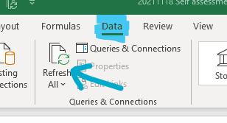
#VALUE! | #VALUE! | #VALUE! | #VALUE!
#VALUE! | #VALUE! | #VALUE! | #VALUE!
#VALUE! | #VALUE! | #VALUE! | #VALUE!
#VALUE! | #VALUE! | #VALUE! | #VALUE!
#VALUE! | #VALUE! | #VALUE! | #VALUE!
#VALUE! | #VALUE! | #VALUE! | #VALUE!
#VALUE! | #VALUE! | #VALUE! | #VALUE!
#VALUE! | #VALUE! | #VALUE! | #VALUE!
#VALUE! | #VALUE! | #VALUE! | #VALUE!
#VALUE! | #VALUE! | #VALUE! | #VALUE!
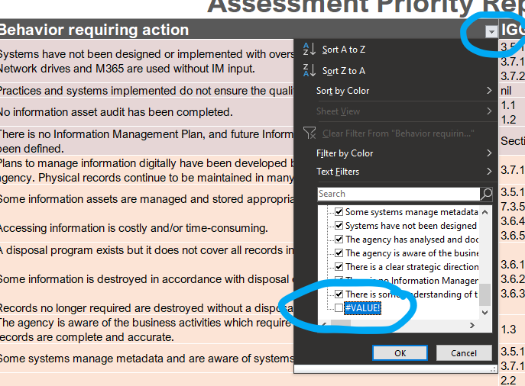
#VALUE! | #VALUE! | #VALUE! | #VALUE!
#VALUE! | #VALUE! | #VALUE! | #VALUE!
#VALUE! | #VALUE! | #VALUE! | #VALUE!
#VALUE! | #VALUE! | #VALUE! | #VALUE!
#VALUE! | #VALUE! | #VALUE! | #VALUE!
#VALUE! | #VALUE! | #VALUE! | #VALUE!
#VALUE! | #VALUE! | #VALUE! | #VALUE!
#VALUE! | #VALUE! | #VALUE! | #VALUE!
#VALUE! | #VALUE! | #VALUE! | #VALUE!
#VALUE! | #VALUE! | #VALUE! | #VALUE!
#VALUE! | #VALUE! | #VALUE! | #VALUE!
#VALUE! | #VALUE! | #VALUE! | #VALUE!
#VALUE! | #VALUE! | #VALUE! | #VALUE!
#VALUE! | #VALUE! | #VALUE! | #VALUE!
#VALUE! | #VALUE! | #VALUE! | #VALUE!
#VALUE! | #VALUE! | #VALUE! | #VALUE!
#VALUE! | #VALUE! | #VALUE! | #VALUE!
#VALUE! | #VALUE! | #VALUE! | #VALUE!
#VALUE! | #VALUE! | #VALUE! | #VALUE!
#VALUE! | #VALUE! | #VALUE! | #VALUE!
#VALUE! | #VALUE! | #VALUE! | #VALUE!
#VALUE! | #VALUE! | #VALUE! | #VALUE!
#VALUE! | #VALUE! | #VALUE! | #VALUE!
#VALUE! | #VALUE! | #VALUE! | #VALUE!
#VALUE! | #VALUE! | #VALUE! | #VALUE!
#VALUE! | #VALUE! | #VALUE! | #VALUE!
#VALUE! | #VALUE! | #VALUE! | #VALUE!
#VALUE! | #VALUE! | #VALUE! | #VALUE!
#VALUE! | #VALUE! | #VALUE! | #VALUE!

