Instructions
Self-assessment tool
 | Tool Instructions
This Self-Assessment Tool enables you to assess your agency's:
(a) Information Governance Program's maturity, and
(b) compliance with the Information Management Standard (Standard).

This Self-Assessment Tool offers a scalable, tiered approach to help your agency to identify areas of strength and weakness at each level of maturity and capability, and to develop and implement actions to address weaknesses, improve outcomes and progress to the next level.

Continuous process improvement is based on small evolutionary steps rather than major innovation that might not always be possible.
The Self-Assessment Tool includes four maturity and capability levels, with indicators of achievement for each.

0 = Absent - agency is either unaware or has taken no steps to address this behaviour.
1 = Basic - agency has an awareness of this behaviour, but there is little practical evidence of action. Planning has commenced.
2 = Operational- agency is actively addressing this behaviour. There will be evidence of a planned approach, even if it is not fully implemented in some areas. The initiatives are operating to a reasonable standard.
3 = Proactive - agency has a dedicated commitment to achieving this behaviour through innovation and/or learning based on ongoing monitoring and review.

To comply with the Standard, your agency must satisfy the level 2 (operational) criteria for each behaviour, unless a valid reason can be demonstrated why maintaining a lower level is acceptable, e.g. due to agency operational or regulatory requirements or level of risk identified.

Definitions

Like the Standard, the Self-Assessment Tool refers to ‘information assets’ rather than ‘records’, i.e. “information, data and records, in any format (whether digital or hardcopy), where it is created or received through the conduct of government business”.

"IM" has been used as an abbreviation for "Information Management".

Detailed Assessment Tool

To complete the Detailed Assessment, you must assess the relevant behaviour (column 1) against your agency's actual information management practice. The only sections that require your input are the Rating and the Notes columns (if necessary). Each rating is set to 0 as a default.

The diagram below describes each column in the tool:

Using the above behaviour as an example, if your agency does not have a completed information asset audit, you would assess your agency's information management maturity and capability level for this behaviour as 0 (or absent), by entering 0 in the Rating column. This will highlight the maturity and capability level in red.

However, if your agency has completed a formal information asset audit but it was not comprehensive, then your agency's maturity and capability level would be 2 (operational).

For more information about how your agency can comply with a specific behaviour refer to the relevant sections of the Information Governance Guideline as indicated in the ‘IGG Ref’ column for that behaviour.

If required, you can include any relevant notes in the 'notes' column provided.

Capability Model report

Once you have completed your detailed assessment, the Self-Assessment Tool's Capability Model will be automatically populated with your results. You will just need to input your agency's relevant details in the free text fields provided. The Capability Model provides two outcomes for your agency.

The first recorded outcome (Figure 1) is your agency's overall assessment against the five principles in the Standard. The first column (rating by principle) shows your agency's accumulative rating against that principle, while the second column (maximum possible) indicates the maximum possible rating that can be achieved for that principle. In the example below, the agency has been awarded a rating of 8 for Principle 1: the value of information is known, but the maximum rating that can be awarded for this principle is 15.

The maximum rating is calculated by the number of behaviours under a principle (refer to Figure 2 - in this instance there are five behaviours) multiplied by the highest maturity and capability level (3), e.g. 5 x 3 = 15. The third column provides your agency compliance rate, in the form of a percentage, against a specific principle.

Foremostly, the Capability Model report provides a high level executive style overview of how your Information Governance Program is performing against the Standard. Agencies can use the percentage rate recorded to help prioritise the principles that require improvement to ensure compliance with the Standard and will strengthen your agency's overall Information Governance Program.

The second recorded outcome (Figure 2) is a summary of your agency's assessment against the individual behaviour in the Standard. Again, this can be used by your agency to quickly identify the behaviours your agency needs to improve to increase their overall information management maturity and capability level and compliance with the Standard.

Please note, any rating cells left empty on the Detailed Assessment tab will return a "NA" on the Compatibility Model. This in turn return an error against your agency's overall assessment. To identify which behaviour has been left empty, simply scroll down the Capability Model until you find the behaviour with a "NA" recorded as its rating.

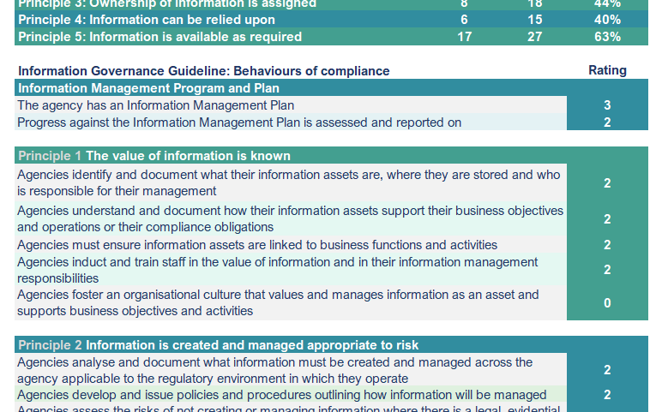
Figure 2
Figure 1

Assessment Priorities report

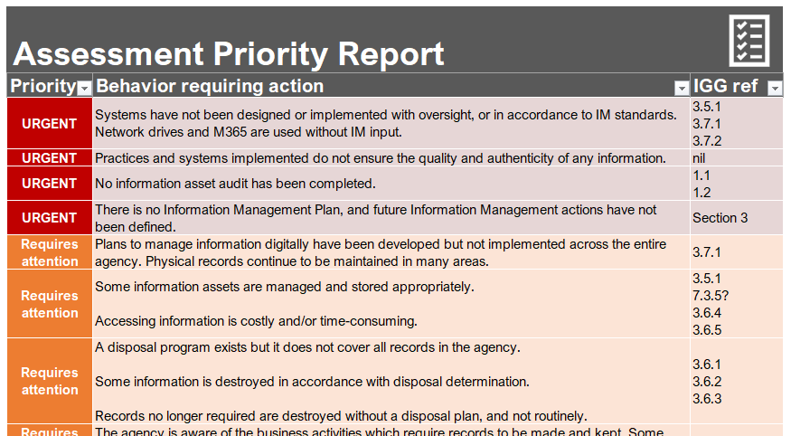 In addition to providing a Capability Model, an 'Assessment Priorities report' can also be generated. This report scores the behaviours, in order of priority, that were ranked as a level 2 or below. Behaviours that were assessed at level 0 (absent) are reported in red, requiring urgent attention. Behaviours assessed at level 1 (basic) are reported in orange, requiring attention. Behaviours assessed at level 2 (operational) are reported in blue, to be improved upon. Instructions on how to populate the report can be found on the Assessment Priorities tab.

To assist your agency in improving its information management maturity and capability and its compliance with the Standard, references back to the Information Governance Program Guideline, or other relevant policies, are provided for each identified behaviour requiring more attention.

Outcomes of Self-Assessment

Both the Capability Model and Assessment Priorities can be provided to your Chief Executive and Executive team to provide a high-level overview of the identified gaps in your agency's Information Governance Program. The higher maturity and capability levels (level 2 - Operational and level 3 - Proactive) in the Detailed Assessment can also be used to help identify future actions required to improve your agency's compliance against individual behaviours.

Use of Self-Assessment Tool

It is recommended that the Self-Assessment Tool be completed by your agency annually.

There are only four sections that require manual input of information, they are:
· the rating of each behaviour (Detailed Assessment tab),
· any notes you may have (Detailed Assessment tab),
· the agency’s details (Capability Model tab), and
· populating (and filtering if necessary) the Assessment Priorities report.

If a problem with the operation of the Self-Assessment Tool occurs, you can download a fresh Tool from the State Records Website. If problems persist, please contact State Records at staterecords@sa.gov.au.

Detailed Assessment
 |  | Maturity and capability level |  |  |  | Rating
ID | Behaviours | 0 - Absent | 1 - Basic | 2 - Operational | 3 - Proactive | 0-3 | IGG Ref | Notes
 | Definition of maturity and capability levels These 4 levels (0 to 3) reflect an overall quality or maturity of compliance with the following Information Management Standard behaviours. | The agency is either unaware or has taken no steps to address this behaviour. | The agency has an awareness of this behaviour, but there is little practical evidence of action. Planning has commenced. | The agency is actively addressing this behaviour. There will be evidence of a planned approach, even if it is not fully implemented in some areas. The initiatives are operating to a reasonable standard. | The agency has a dedicated commitment to achieving this behaviour through innovation and/or learning based on ongoing monitoring and review. | Enter your score here | This column directs you to the relevant section in the Information Governance Guideline | You can use this column to take notes if necessary

Information Management Program and Plan
iii.1 | An Information Management Plan exists | There is no Information Management Plan, and future Information Management actions have not been defined. | An informal Information Management Plan is in place with some Information Management actions defined and implemented. | The Information Management Plan encompasses all information assets and business systems or clarifies which other plans address information assets not included. | A comprehensive Information Management Plan is maintained and regularly updated, and its implementation is supported by executive. |  | Section 3
iii.2 | Progress against the Information Management Plan is assessed and reported on | No process has been assessed and reported on. | Progress against the Information Management Plan’s actions are assessed in response to issues arising. Reporting is informal within the affected area. | The Information Management Plan is monitored and assessed with progress on the plan reported back to senior management annually. Resulting actions from the assessment are actioned and the plan is amended as required. | The Information Management Plan is proactively monitored and assessed. Reporting is done through the relevant governance structure. |  | Section 3

Principle 1 The value of information is known
1.1 | Information assets are identified and documented, including where they are stored and who is responsible for their management | No information asset audit has been completed. | An informal information asset audit has been conducted. Some information assets are identified and documented but maybe not in a consolidated form. | A formal audit has been completed on physical and digital information assets. An information register has been created that captures all assets and documents, their location and assigned business owners. | A comprehensive information asset audit has been undertaken that documents all information assets, including business systems, their location and business owners. A consolidated information asset register is regularly reviewed and updated to reflect any changes to information assets, their location or owners. |  | Section 1
1.2 | How information assets support business objectives and operations or compliance obligations is understood and documented | No risk and value assessment of information assets has been conducted. The link between information assets and business and operational objectives and compliance obligations is not understood. | A risk and value assessment of information assets has been conducted for specific business or regulatory requirements. There is some understanding as to how information assets support business objectives and operations or compliance obligations. | A risk and value assessment of all information assets has been conducted which documents the links between information assets to relevant business objectives and operations or compliance obligations. Aware some links may not be documented. | A comprehensive risk and value assessment of information assets is regularly reviewed and updated as objectives, operations and obligations change. |  | Section 2
1.3 | Information assets are linked to business functions and activities | No information assets are linked to business functions and activities e.g. no business classification scheme, or similar, has been applied. | A business classification scheme, or similar, has been applied to some of the information assets. There is a general understanding of what information assets exist and how they are linked back to business functions and activities. | A business classification scheme, or similar, has been applied to all of information assets listed in the information asset register, including those located in an EDRMS. | A business classification scheme, or similar and the information asset register are updated regularly as functions, activities and processes change. |  | 2.2
1.4 | Staff are inducted and trained in the value of information and in their information management responsibilities | There is no IM induction or training of staff. | Occasional IM training delivered. Basic IM induction provided to new staff with IM responsibilities. | All new staff are provided with a basic induction in IM. Comprehensive IM training provided to IM staff. | IM training package is provided that is regularly assessed and updated. Staff knowledge and skills are updated or developed as IM responsibilities and the value of information changes. Refresher courses are regularly delivered. |  | 3.1.3 Section 4
1.5 | An organisational culture is fostered that values and manages information as an asset and supports business objectives and activities | There is no clear strategic direction for the management of information assets. Executive and staff do not understand or value the need for the management of information assets. No structures in place to support IM. | There is some strategic direction for the management of information assets. Executive and staff have some understanding and awareness of the value for the management of information assets. There are some structures in place to support IM. | There is a clear strategic direction for the management of information assets. This direction is supported by policy that is developed in accordance with the IM Standard’s principles, with adequate training and resourcing provided to ensure the effective implementation of such policy. Executive and staff have a shared understanding of IM values and demonstrate IM practices and manage information according to the principles in the IM Standard in their day to day operational activities. | There is a clear and well communicated vision of how information assets are managed. Chief Executive and Executive actively support and champion IM through implementing IM policies, promoting sound IM practices in operational activities, communicating and training IM practices routinely to all staff as well as ensuring adequate resources are allocated to IM functions. All staff are aware of the importance of IM relevant to their responsibilities and have a shared understanding of IM values. IM practices, and the principles in the IM Standard, are visible at all levels of the agency. |  | 3.2.2

 Principle 2 Information assets are created and managed appropriate to risk
2.1 | Information assets created and managed applicable to the regulatory environment in which the agency operates are analysed and documented | Requirements to create and manage information are not understood and have not been analysed or documented. | Some requirements to create and manage information have been analysed and documented. | The agency has analysed and documented requirements to create and manage information. | Regulatory requirements, and the information required to support them, are regularly reviewed and updated. |  | Section 2
2.2 | Policies and procedures outlining how information assets will be managed are developed and issued | No policies and procedures exist outlining how information will be managed. | Some policies and procedures exist outlining how information will be managed. | Policy and procedures exist outlining how information will be managed. | IM policy and procedures are regularly reviewed and updated, which includes how information will be managed. Staff are trained in the IM policy and aware of their individual IM responsibilities. |  | 3.1
2.3 | The risks of not creating or managing information assets where there is a legal, evidential or business need are assessed | No awareness of the risks of failing to create or manage information for legal, evidential, or business needs. | There is some understanding of the potential risks of not creating or managing information where there is a legal, evidential or business need. | Risks arising from not creating or managing required information have been identified with the IM team. | Agency risk registers reflect risk relating to IM. Regular risk assessments are undertaken of requirements for information for legal, evidential, and business needs and these inform IM practices. |  | 2.2 2.4 2.5
2.4 | Information assets are managed digitally unless there is a specific reason/s for keeping a hardcopy record | The only way digital information can be managed is through printing and filing. | Plans to manage information digitally have been developed but not implemented across the entire agency. Hardcopy records continue to be maintained in many areas. | Most information created digitally is managed digitally on a routine basis, with a move away from hybrid digital and hardcopy records. | All information created digitally is managed digitally by default. Specific legal or business reasons for keeping hardcopy records are documented, reviewed and approved. |  | 3.7.1
2.5 | Systems are designed and implemented according to relevant standards so that they support the effective management and disposal of information assets | Systems have not been designed or implemented with oversight, or in accordance to IM standards. Network drives and/or Office 365 are used without IM input. | An EDRMS has been configured and implemented but other systems have not been designed or implemented according to IM standards. | Most critical systems, including an EDRMS, have been designed or configured and implemented according to IM standards and business requirements. | All systems have been designated as official systems and have been designed or implemented to meet IM standards and business requirements, and continual improvements to systems are planned and actioned. |  | 3.5.1 3.7
2.6 | Information assets are managed and stored appropriately, to ensure it remains accessible for as long as required | Information is not managed or stored appropriately. Storage is not suitable for information e.g. shipping containers, basements, sheds, uncontrolled share drives. Information is inaccessible. | Some information assets are managed and stored appropriately. Accessing information is costly and/or time-consuming. | Most information assets are managed and stored appropriately. Preservation and storage is acceptable but not optimal. Most information can be readily identified and accessed. | All information assets are managed and stored appropriately. Information assets are preserved as required to ensure they remain accessible for as long as they are required. Accessibility of information assets is routinely monitored with necessary action taken where required. |  | 3.5.1 3.6.4 3.6.5
2.7 | Information assets are destroyed when no longer required, in accordance with current, approved disposal determinations issued by State Records [including all record disposal determinations] | Agencies keep information that is no longer required and there is no plan for destruction. | A disposal program exists but it does not cover all records in the agency. Some information is destroyed in accordance with a disposal determination. Records no longer required are destroyed without a disposal plan, and not routinely. | Destruction is planned and implemented regularly and occurs when an agency is satisfied that records are no longer required for legal, business or other purposes. | Comprehensive Disposal Plan has been implemented that covers legacy and ongoing retention and disposal action, using a range of disposal instruments. The Plan is updated as tasks are completed, or new work is needed. Information is routinely destroyed after all business or other reasons have been considered, with internal authorisation, and in accordance with disposal determinations and approved policies and procedures. |  | 3.6.1 3.6.2 3.6.3 3.6.4
2.8 | Information management policies and practices that support the business are reveiwed and audited | IM policies (if they exist) and practices are not reviewed or audited. | IM policies and practices are only reviewed on instruction from management or external authorities. | IM policies and practices are reviewed and updated at the point of expiry or in accordance with a review cycle. | IM policies and practices are regularly reviewed and updated to ensure they meet changing business objectives, operations, and obligations. |  | 3.1.3
2.9 | Staff adherence to internal information management policies is monitored and addressed | Staff adherence with IM policy is not assessed. | Staff adherence is reported on inconsistently, or in response to significant issues. | Staff adherence to IM policies is reported consistently. Issues of non-compliance are addressed. | Staff adherence to IM policies is actively monitored and reported on through the relevant governance structure, and issues of non-compliance addressed promptly through planned actions. |  | 3.1.3 3.2.2

 Principle 3 Ownership of information assets are assigned
3.1 | Ownership of information assets are assigned | Ownership for information assets are not assigned. | Ownership for some information assets are assigned as required. Not all information assets have designated owners. | All information assets have assigned owners who are responsible for their management. | Information asset ownership is assigned and communicated to owners to ensure the quality and efficient and effective management of all physical and digital information assets. The register of information asset owners is regularly reviewed and updated in light of regulatory and operational environments. |  | 3.2.2
3.2 | Owners are aware of their responsibilities and accountabilities for information assets | Owners are not aware of or do not understand their responsibilities and accountabilities for information assets. | Limited awareness by information asset owners of their responsibilities and accountabilities for information assets. | Information assets owners are aware of their responsibilities and accountabilities for information assets. | Information asset owners are educated and trained in their responsibilities and accountabilities for information assets, and compliance with responsibilities is routinely monitored. Responsibilities and accountabilities are reviewed and amended regularly for core information assets. |  | 3.2.2 Section 4
3.3 | Responsibilities for information management are delegated appropriately and in writing | Responsibilities are not delegated in writing. | Limited delegation in writing of responsibilities for information assets owners, or IM responsibilities are delegated informally. | IM responsibilities are delegated formally in writing. | All responsibilities for IM are formally delegated in writing and regularly reviewed. |  | 3.2.2
3.4 | Roles and responsibilities relating to the ownership and management of information assets are clearly defined in policy or other internal documents | IM roles and responsibilities are not defined in any policy or other documentation. | IM roles and responsibilities are documented informally. | IM roles and responsibilities are formally documented in policies, position descriptions or governance documents. | IM roles and responsibilities are defined in formal policies, and these are regularly reviewed as roles, people, and structures change. |  | 3.2.2
3.5 | Ownership and accountability for information assests is managed consistently through a governance structure | Agencies have no accountability structures around the management of information assets. | Agencies have some accountability structures defined but not implemented consistently. | Accountability structures are implemented consistently. | Comprehensive accountability structures are in place across all information assets. |  | 3.2.2

Principle 4 Information assets can be relied upon
4.1 | Create full and accurate information assets appropriate to their business processes, regulatory environment and risk and accountability requirements | No records are create or, where records are created, they are incomplete or inaccurate. | The agency is aware of the business activities which require records to be created and kept. Some records are complete and accurate. | Full and accurate records are created and kept in accordance with the requirements identified and the risk and value assessment undertaken and documented. | Requirements to create and keep full and accurate records are documented, including the information content required and any retention, or access and security requirements. Records created and kept are reviewed in accordance with changes in the regulatory or operational environment, such as machinery of government changes or legislative reviews. |  | Section 2
4.2 | Information is saved into systems that meet relevant standards in a timely manner | No information is actively saved into business or information systems that meet the standards. | Some information is actively saved into business or information systems that meet the standards. | Information is actively saved into business or information systems that meet the standards along with the associated metadata. Information is saved within timeframes that meets their business needs. | The agency is confident that all information is captured. The information saved into business or information systems are regularly audited for completeness. The use of non-approved systems is addressed. |  | 3.5.1 3.7
4.3 | Relevant details (metadata) is recorded in systems so that the business context of information can be readily understood | Business or information systems do not manage metadata. | Some systems manage metadata and are aware of systems that do not. | All business or information systems manage the minimum metadata requirements as per the Metadata Standard. | The agency understands what metadata is required to meet their business requirements and objectives. Any additional metadata elements are captured into their schema. Metadata is enhanced over time to ensure the business context can continually be understood. |  | 3.5.1 3.7.1
4.4 | Established and existing definitions of information are used where possible, so that there is consistency across the agency | There are no established definitions within the agency or, if some are established, there is no consistent use of definitions across the agency. | Some established and existing definitions are used but not consistently across the agency. | Established and existing definitions are consistently used across the agency and additional definitions are established where required. | Data dictionary exists that documents all definitions which the agency uses. The dictionary is regularly reviewed and updated. |  | 2.2 3.3.2 3.7.1
4.5 | Practices and systems are implemented that ensure the quality and authenticity of information | Practices and systems implemented do not ensure the quality and authenticity of any information. | Practices and systems have been implemented that ensures the quality and authenticity of some information. | Practices and systems have been implemented that ensures the quality and authenticity of all information. | Information systems and practices are designed to encourage accurate, timely recording of information and restrict the ability to edit information without authority or audit trails. IM systems and practices are regularly audited for security and quality. We can account for the authenticity of any information we use. |  | 3.7

 Principle 5 Information assets are available as required
5.1 | Information security classifications and requirements applicable to the sensitivity of the information asset are applied | No Information security classifications applied to information assets. | Information security classifications are applied to some information assets. | Information security classifications are appropriately applied to all information assets. | Information security classifications are appropriately applied to all information assets and reviewed as required. Staff are educated and aware of their responsibilities and this is applied consistently and correctly, and compliance is monitored. |  | 3.5.1
5.2 | Access restrictions on information assets are reviewed and amended as sensitivity alters | Access restrictions are never reviewed once applied. | Some access restrictions are reviewed in response to specific triggers, e.g. regulatory changes. | Access restrictions are regularly reviewed and updated. | Information security classifications broadly applied to information assets are proactively updated to remove unnecessary restrictions as sensitivity diminishes. All access restrictions are audited in line with whole of government policy. |  | 3.5.1
5.3 | Digital information is migrated as systems, software and media are upgraded or become obsolete to ensure it remains accessible for as long as it is required | No information assets are migrated as systems, software and media become obsolete. | Some migration occurs in response to specific triggers, e.g. if information assets are identified for future use. Issues with legacy data exist. | Planned migration of information occurs when systems are upgraded or before they become obsolete. Legacy issues are managed to ensure information is accessible for as long as it is required. For example, data is exported to Comma Separated Values (CSV) format. | Information assets are monitored and managed to ensure the information remains accessible for as long as the information is needed. Procurement of systems, including cloud-based technology, is informed by the retention and accessibility requirements of the information assets that they manage. |  | 3.6.4 3.6.5 3.7.1
5.4 | Information assets not covered by general disposal schedules are identified, and disposal determinations for these records are sought | No agency-specific Records Disposal Schedule (RDS) exists with no plans to develop one. | The agency has a plan or work has commenced on an agency-specific RDS or has some functions covered by an RDS, but not all functions. | A current agency-specific RDS has been approved by State Records Council which covers all records, including historical records. | Current agency-specific RDS is reviewed and updated in response to significant administrative, functional or legislative changes. |  | 3.6.2 3.6.3
5.5 | Information assets are not destroyed unless in accordance with current, approved disposal determinations | Information assets are destroyed but not in accordance with a current approved disposal determination. | Some information assets are destroyed in accordance with a current approved disposal determination, but some are destroyed outside of a disposal. | All information assets are only destroyed with authorisation and in accordance with a current approved disposal determination. The needs of the agency are taken into account prior to destruction of information assets. | Destruction of information assets is planned, monitored, reviewed and authorised to ensure it is undertaken in accordance with current approved disposal determinations. The needs of the agency are monitored and reviewed and considered prior to destruction of information assets. |  | 3.6.1 3.6.2 3.6.3 3.6.4
5.6 | Personal information is collected, used, disclosed, stored and disposed of in accordance with privacy principles | Personal information is collected, used, disclosed, stored and disposed of without regard for information privacy principles, policy and legislation. | Some personal information is collected, used, disclosed, stored and disposed of with regard for information privacy principles, policy and legislation. | All personal information is collected, used, disclosed, stored and disposed of in accordance with information privacy principles, policy and legislation. Privacy Impact Assessments (PIAs) are used to assess the privacy impacts of initiatives. | The agency’s privacy policy is comprehensive, clear and transparent and publicly available. Privacy Policy is regularly reviewed and updated in line with government policy and best practice. Compliance with the policy is monitored and any issues are addressed. |  | Section 4
5.7 | Information is shared across government as appropriate or where authorised | Information is not shared or is shared in an unauthorised manner. | Some information is shared when permitted. | Information is shared in line with information sharing protocols. | The agency proactively works with other agencies to determine what information can be shared to bring benefit to both agencies and customers. |  | 3.3
5.8 | Information is published proactively in line with government policy | Information is not proactively published. | Some information is proactively published. | Information is proactively published in line with policy or legislation, or as requested. | The agency proactively publishes information and/or seeks customer and stakeholder views of what information should be published. |  | 3.3.2
5.9 | Information is not sold, abandoned, or donated to external parties where such action would result in the agency not having access to that information and without authorisation in the form of a disposal determination | The agency has no controls (e.g. policies, procedures and physical security) over the sale, abandonment or donation of information to external third parties, or government information is provided to external third parties without authorisation. | Some controls are implemented to prevent the sale, abandonment, or donation of information to external third parties. | Any sale or donation of records is authorised (e.g. transfer of custody schedule). A risk assessment should be undertaken prior to seeking authorisation which addresses legal, moral, cultural and operational risks to the agency. Controls are in place to prevent abandonment. | Agency ensures staff understand they are creating government records which have value not only to the agency, but to the government, community and state. This value may result in the records being retained by and accessed through State Records of South Australia. Policies clarify that information assets must not be disposed of through sale, given away to external parties, or taken home by employees. |  | 3.6.3

Assessment Priorities
Assessment Priorities
To populate the Assessment Priority Report:
1. Select the Data tab on the toolbar
2. Press Refresh All (to populate the report)
Once you have populated the report, you may have returned some #VALUE results, to filter these out:
3. Select the Maturity/Capability
requiring action drop down
4. Uncheck #VALUE at the end of
the list
Assessment Priority Report
Priority | ID | Maturity/Capability requiring action | IGG ref

#VALUE! | #VALUE! | #VALUE! | #VALUE!
#VALUE! | #VALUE! | #VALUE! | #VALUE!
#VALUE! | #VALUE! | #VALUE! | #VALUE!
#VALUE! | #VALUE! | #VALUE! | #VALUE!
#VALUE! | #VALUE! | #VALUE! | #VALUE!
#VALUE! | #VALUE! | #VALUE! | #VALUE!
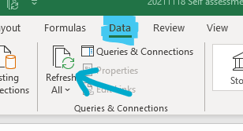
#VALUE! | #VALUE! | #VALUE! | #VALUE!
#VALUE! | #VALUE! | #VALUE! | #VALUE!
#VALUE! | #VALUE! | #VALUE! | #VALUE!
#VALUE! | #VALUE! | #VALUE! | #VALUE!
#VALUE! | #VALUE! | #VALUE! | #VALUE!
#VALUE! | #VALUE! | #VALUE! | #VALUE!
#VALUE! | #VALUE! | #VALUE! | #VALUE!
#VALUE! | #VALUE! | #VALUE! | #VALUE!
#VALUE! | #VALUE! | #VALUE! | #VALUE!
#VALUE! | #VALUE! | #VALUE! | #VALUE!
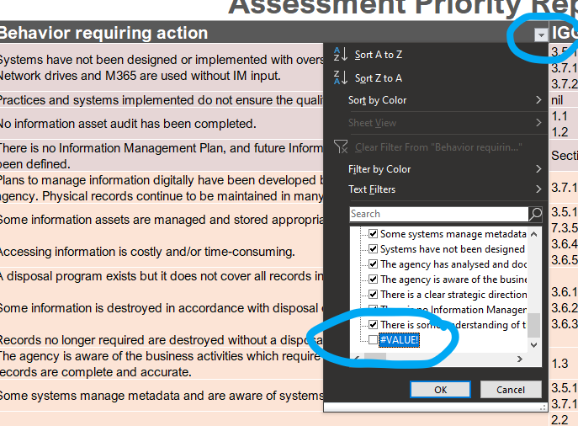
#VALUE! | #VALUE! | #VALUE! | #VALUE!
#VALUE! | #VALUE! | #VALUE! | #VALUE!
#VALUE! | #VALUE! | #VALUE! | #VALUE!
#VALUE! | #VALUE! | #VALUE! | #VALUE!
#VALUE! | #VALUE! | #VALUE! | #VALUE!
#VALUE! | #VALUE! | #VALUE! | #VALUE!
#VALUE! | #VALUE! | #VALUE! | #VALUE!
#VALUE! | #VALUE! | #VALUE! | #VALUE!
#VALUE! | #VALUE! | #VALUE! | #VALUE!
#VALUE! | #VALUE! | #VALUE! | #VALUE!
#VALUE! | #VALUE! | #VALUE! | #VALUE!
#VALUE! | #VALUE! | #VALUE! | #VALUE!
#VALUE! | #VALUE! | #VALUE! | #VALUE!
#VALUE! | #VALUE! | #VALUE! | #VALUE!
#VALUE! | #VALUE! | #VALUE! | #VALUE!
#VALUE! | #VALUE! | #VALUE! | #VALUE!
#VALUE! | #VALUE! | #VALUE! | #VALUE!
#VALUE! | #VALUE! | #VALUE! | #VALUE!
#VALUE! | #VALUE! | #VALUE! | #VALUE!
#VALUE! | #VALUE! | #VALUE! | #VALUE!
#VALUE! | #VALUE! | #VALUE! | #VALUE!
#VALUE! | #VALUE! | #VALUE! | #VALUE!
#VALUE! | #VALUE! | #VALUE! | #VALUE!
#VALUE! | #VALUE! | #VALUE! | #VALUE!
#VALUE! | #VALUE! | #VALUE! | #VALUE!
#VALUE! | #VALUE! | #VALUE! | #VALUE!
#VALUE! | #VALUE! | #VALUE! | #VALUE!
#VALUE! | #VALUE! | #VALUE! | #VALUE!
#VALUE! | #VALUE! | #VALUE! | #VALUE!

